1. Title Page
Instacart Grocery Basket Analysis

Project Name: Instacart Grocery Basket Analysis
Date: 01/01/2025
Analyst Name: Ron Baron

Contents:
Population Flow
Consistency checks
Wrangling steps
Column derivations
Visualizations
Recommendations

References
The Instacart Online Grocery Shopping Dataset 2017”, Accessed from www.instacart.com/datasets/grocery-shopping-2017 via Kaggle on [01/01/2025]

2. Population Flow
 |  |  | Title page

Population flow

Exclusion flag
Condition: max_order < 5
Obervations to be removed: 1440295
Final total count of order_products_all: 30964564

Orders_products_combined
Orders_products_merged
Orders_products_all

Total:
Total:
Total:
32434489 | 32404859 | 32404859

1.) The grey boxes in the first row of the population flow represent the original data sets as they were when you downloaded them. In the Total fields you need to add the count of the rows when you imported the data set into Jupyter.
2.) The second row of boxes (coloured) represents the data sets after you manipulated them, e.g., removed missing values and duplicates. In the Total fields you need to add the count of the rows after conducting these operations. This offers a visual oveview of how the data flows throughout the data consistency checks.
3.) The third row, where also the arrows are coloured, represents the merges you performed between the datasets. In the Total fields you need to add the count of the rows in the merged datasets, so that you end up with the final dataset (in the red box). Keep in mind the final dataset should be without exclusions (based on the exclusion flag).

3. Consistency checks
 |  |  |  | Title page
Consistency checks

Dataset | Missing values | Missing values treatment | Duplicates
orders (days_since_prior_order) | 206209 | This means that zero days existed before a prior order, which likely indicates that this was the very first order for the customer, and it would not make sense to delete it as inaccurate or inconsistent data, or replace it with the mean/median of these values as it would distort the data | No duplicates.
products | 21 missing values | removed them | No duplicates.
orders_products_prior | no missing values | n/a | n/a
customers | 112589 (first name) | did not remove the missing first names from dataframe | No duplicates.

4. Wrangling steps
 |  |  |  | Title page
Wrangling steps

Columns dropped | Columns renamed | Columns' type changed | Comment/Reason
n/a | order_hour_of_day (order_per_hour) | stayed int | Thought it would be more clear this way.
n/a | order_dow (order_day_of_week) | stayed string | To be more consistent and clear.
Unnamed 0 (df_ords_clean) | n/a | n/a | not useful for analysis purposes.
 | STATE to State |  | consistency
 | Surnam to Last_name |  | consistency

**The PII data includes first and last name. In this case, I would inform a senior colleague or whoever is responsible for data security in my organization

5. Column derivations
 |  |  |  | Title page

Column derivations and aggregations

In this tab you should add tables below that the frequences of flags/label variables that you produced after deriving them. NB: don't do this for continuous variables, only for flags.
Dataset | New column | Column/s it was derived from | Conditions
ords_prods_merge | Busiest Day' | orders_day_of_week | Busiest day, least busy, regularly busy; if value ==0 then busiest day; if value == 4 then least busy; else regularly busy
ords_prods_merge | price_range' | price_label | if prices <= then low range product; if prices >5 and <=15 then mid range product; if prices > 15 then high range product; else, not enough data
ords_prods_merge | busiest days | orders day of week | if value == 0 then busiest day; if value ==4 then least busy; else regularly busy
ords_prods_merge | busiest period of day | orders per hour | if value ==10 or 11 then most orders; if value == 3 or 4 then fewest ordres; else average orders
ords_prods_customers_merge | Cust_profile | age, department_id, income | Assigned young as 35 or under, department_id according to the profile, and income of 80000 and above as high income.
ords_prods_customers_merge | activity_flag | max_order | if value < 5 then low activity customer; if value >= 5 then high activity customer
ords_prods_customers_merge | department_name | items; original data -> departments
ords_prods_customer_merge | Region | state | Defined according to wikipedia page.

6. Visualizations
 |  |  |  |  |  |  |  | Title page

Visualisations

In this tab you should include all the visualtions from Exercises 4.9 and 4.10, alongside the questions from the project brief that they answer. Include any commentary on the relationship between different variables.

 | Questions from Project Brief:
1 | The sales team needs to know what the busiest days of the week and hours of the day are (i.e., the days and times with the most orders) in order to schedule ads at times when there are fewer orders.
2 | They also want to know whether there are particular times of the day when people spend the most money, as this might inform the type of products they advertise at these times.
3 | Instacart has a lot of products with different price tags. Marketing and sales want to use simpler price range groupings to help direct their efforts.
4 | Are there certain types of products that are more popular than others? The marketing and sales teams want to know which departments have the highest frequency of product orders.
5 | What’s the distribution among users in regards to their brand loyalty (i.e., how often do they return to Instacart)?
6 | Are there differences in ordering habits based on a customer’s loyalty status?
7 | Are there differences in ordering habits based on a customer’s region?
8 | Is there a connection between age and family status in terms of ordering habits?
9 | What different classications does the demographic information suggest? Age? Income? Certain types of goods? Family status?
10 | What differences can you find in ordering habits of different customer profiles? Consider the price of orders, the frequency of orders, the products customers are ordering, and anything else you can think of.


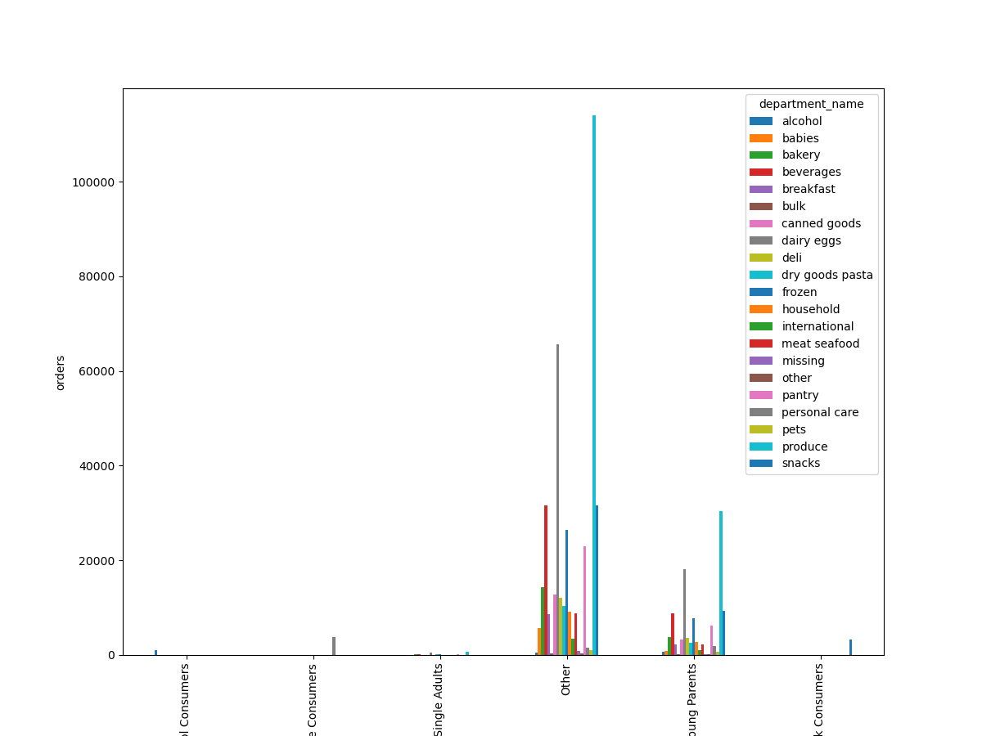




 |  |  |  |  |  |  |  |  |  | This histogram shows on the x-axis the time of day, and the y-axis is frequency of orders in the millions.
 |  |  |  |  |  |  |  |  |  | Between 10am and 3pm are the busiest ordering times in terms of frequency.
 |  |  |  |  |  |  |  |  |  | This is useful to answer question 2.
 |  |  |  |  |  |  |  |  | This chart shows the relationship between the day of the week,
 |  |  |  |  |  |  |  |  | and number of orders placed.
 |  |  |  |  |  | order_per_hour = the time of day an order is placed. |  |  | 0 is Saturday, which is the busiest day for Instacart, followed by Sunday.
 |  |  |  |  |  | This line chart shows the relationship between the time of day and price of items purchased. |  |  | Tuesdays and Wednesdays are the slowest days.
 |  |  |  |  |  | This chart answers question 2. |  |  | This chart also answers questions 1 and 2.

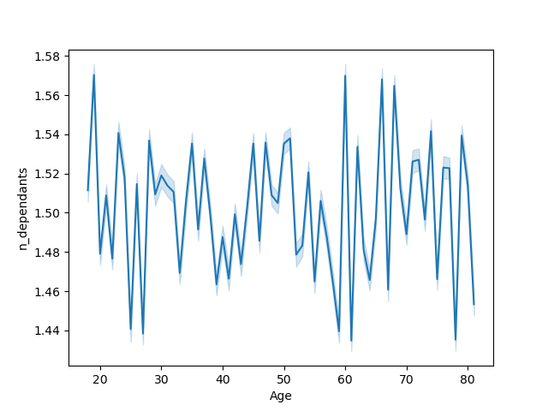
 |  | This chart shows the relationship between customer profiles and most and least popular spending items.
 |  | It refers to question 8 and 9. | 8, 9, and 10.
 |  | For young parents, the most popular items are produce.

 |  | Region | High Spender | Low Spender
 |  | South | 209691 | 10582194
 |  | West | 160354 | 10582194
 |  | Midwest | 129437 | 6204537
 |  | Northeast | 108225 | 5614511
 |  | NaN | 26538 | 1236813

 |  | This table refers to question 7 and shows the relationship between region
 |  | and spending habits.



 |  |  |  |  |  | This line graph shows the relationship between age and number of dependants.
 |  |  |  |  |  | It also refers to question 9.

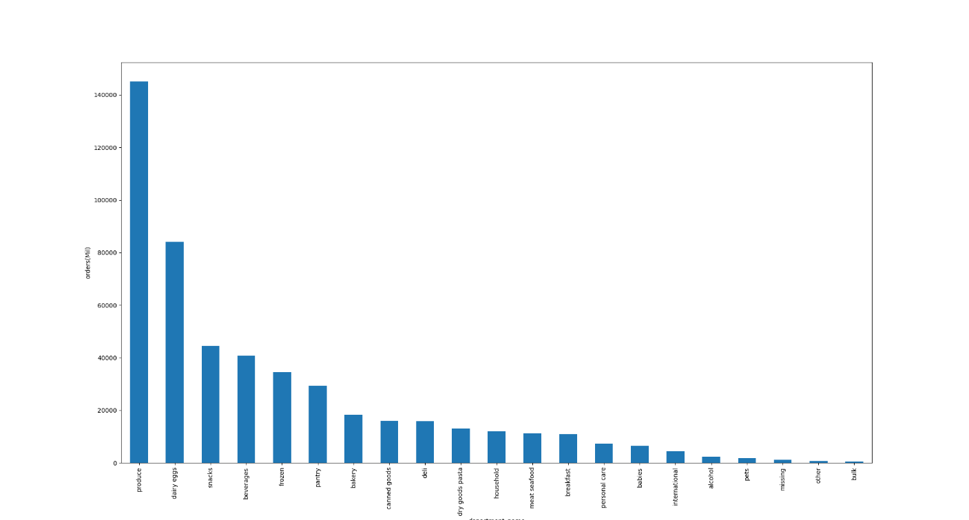

 |  | This dot plot shows the relationship between age and income.
 |  | It answers question 9.

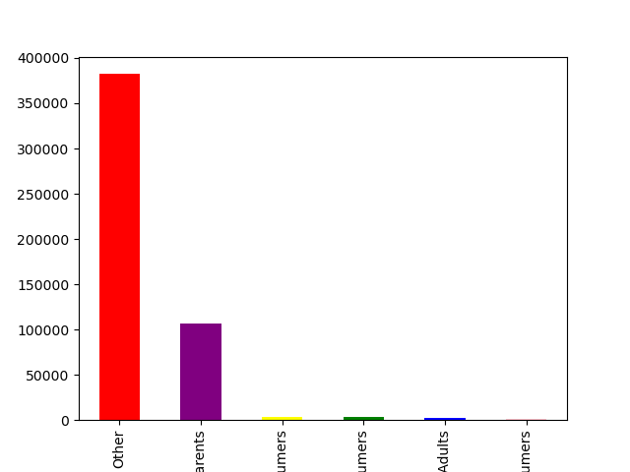

 |  |  |  |  | This bar chart shows the department name, e.g., produce, dairy, etc., and number of orders in the millions.
 |  |  |  |  | Clearly, produce is the most popular item, while bulk items are the least popular.
 |  |  |  |  | It answers question 4.

 |  | This bar chart shows the loyalty status of customers and the number of orders they purchase.
 |  | The x-axis is significantly cut off, but from left to right indicates 'Regular Customer', 'Loyal Customer', and 'New Customer'.
 |  | Regular customers purchase the most items.

 |  |  |  |  |  |  | This bar graph shows the customer profile distributions.
 |  |  |  |  |  |  | These profiles include Other, Young Parents, High-Income Personal Care Consumers, Young Snack Consumers,
 |  |  |  |  |  |  | Low Income Single Adults, High Income Alcohol Consumers.
 |  |  |  |  |  |  | It refers to question 9 and 10.

7. Recommendations
 |  |  | Title page

Recommendations

In this tab you should include any recommendations you would made to Instcart in terms of their marketing strategy based on the questions posed in the brief. Every key question has been covered in the Tasks of the Exercises - here you need to add an item - a visualisation or table/crosstable that is showing the answer in the data, acompanied by a comment from you. Please, list the questions below and add the answer underneath.

Question |  | Answer
Key Question 1 |  | The sales team needs to know what the busiest days of the week and hours of the day are (i.e., the days and times with the most orders) in order to schedule ads at times when there are fewer orders.
Key Question 2 |  | They also want to know whether there are particular times of the day when people spend the most money, as this might inform the type of products they advertise at these times.
Key Question 3 |  | Instacart has a lot of products with different price tags. Marketing and sales want to use simpler price range groupings to help direct their efforts.
Key Question 4 |  | Are there certain types of products that are more popular than others? The marketing and sales teams want to know which departments have the highest frequency of product orders.
Key Question 5 |  | What’s the distribution among users in regards to their brand loyalty (i.e., how often do they return to Instacart)?
Key Question 6 |  | Are there differences in ordering habits based on a customer’s loyalty status?
Key Question 7 |  | Are there differences in ordering habits based on a customer’s region?
Key Question 8 |  | Is there a connection between age and family status in terms of ordering habits?
Key Question 9 |  | What different classications does the demographic information suggest? Age? Income? Certain types of goods? Family status?
Key Question 10 |  | What differences can you find in ordering habits of different customer profiles? Consider the price of orders, the frequency of orders, the products customers are ordering, and anything else you can think of.

Question | Answer | Recommendations
What are the busiest days of the week and hours of the day? | Saturday and Sunday are the busiest day of the week. Tuesday and Wednesday are the least busiest days of the week. Most orders are between 9am and 4pm, with the highest placed orders during 10am-3pm. | As the middle of the week are the least busy days, have sales and coupons targeting those days to drive higher sales during those times. Furthermore, create bundle deals when customers are most active and already on the site making purchases, increasing the amount of items they check out with.
Are there particular times of day when people spend the most money? | The highest sales occur on Saturday and Sunday, between 10am and 3pm. | Sales are higher in the morning through afternooon and on the weekends. Could conduct additional analyses to figure out what individuals typically purchase for the week ahead and create more ads for these products.
Are there certain products that are more popular than others? | Produce, Dairy/eggs, snacks, and beverages are the biggest sellers by department, though snacks and beverages are similar and there is a significant spike in produce compared to the rest of the items. | Coupons and specials for popular items such as Produse and Dairy are recommended to encourage customers to place orders. Coupons and specials for the least popular items such as international, alcohol, and bulk are recommended to boost sales in those departments.
Are there differences in ordering habits based on loyalty status? | Most customers are considered to be regular spenders. | Would instant cart rather have high spenders of frequent shoppers? Additional analyses can be made to discern the economic benefit of each.
Are there differences in ordering habits based on region? | Customers in the South purchase the most items. | Increase advertising and promotions in regions when there are fewer customers.
What is the distribution among users as to how often they return to Instacart? Is there a connection between age and family status and ordering habits? What different classifications does the demographic information suggest? Age? Income? Certain types of goods? Family status?? | Most customers are adult or middle-aged, married, and have dependants. Higher income individuals (300k) are typically over 40. | As most of the customers have dependants and there is not a clear relationship on number of dependants and customer age, one idea is to incorporate deals for bulk items.
What differences can you find in ordering habits of different customer profiles? Consider the price of orders, the frequency of orders, the products customers are ordering. | The key demographic for those using Instacart are adult to middle-age, middle-income parents. This makes sense as thes would be the larger holdholds that would consume more products. | What additional demographic does Instacart wish to target? The overwhelming majority of shoppers are within a family; is this out of convienence and less time available to run to the store? What would make this platform more attractive to younger populations? Are there delivery fees?

